Hiearchy View
CLASS: WINDOW
an opening in a wall, door, roof, or vehicle that allows the exchange of light and may also allow the passage of sound and sometimes air. |  | 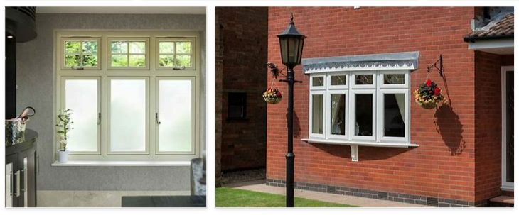
REMOVE | N

PROBLEM_DESC | CAUSE_DESC | REMEDY_DESC
BROKEN/DAMAGED
OTHER PROBLEM
OVERHEATING
PESTS
STOPPED/SLOWED/POOR OPS
TEMP-CTRL
VIBRATION
Grand Total

